Budget
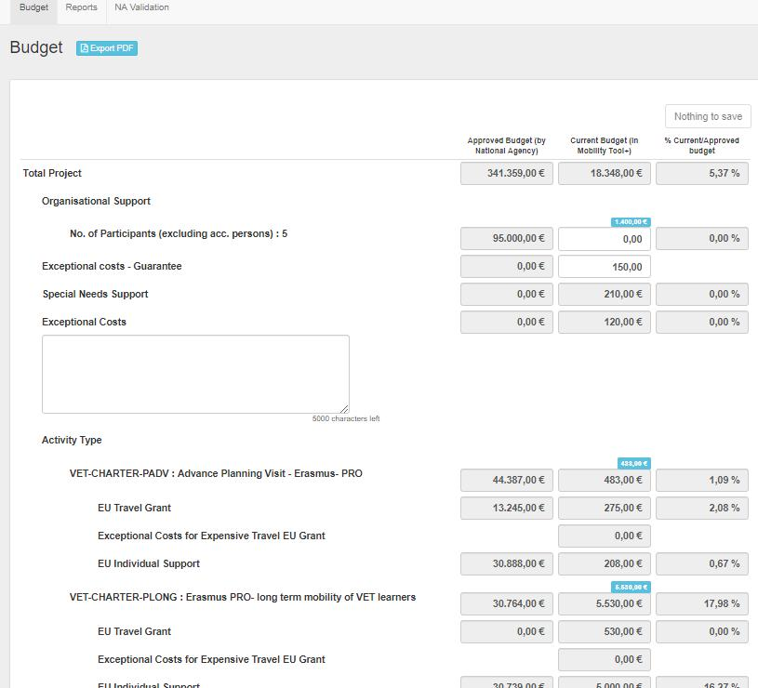
Budget
Current Budget Item | Explanation | Budget Item Breakdown | Mobility Field Used To Calculate the Summation
Project | This entity represents the top level of management inside MT+ under which all subsequent budget items are attached to. It sums up all budget items and includes "Linguistic Support" and "Exceptional Costs – Guarantee". In terms of current budget it is composed of two amounts: one that sums all other budget items except "Reduction of EU grant"; and another that sums all the other budget items and subtracts any reductions decided by the National Agency at NA Validation stage entered in field "Reduction of EU grant". | All other budget items | Mobility Total Grant (Adjusted)
Organisational Support | A contribution to the participating organisations for any costs incurred in support of the individual participants. It must include mobility activities flagged as Zero-grant. It must not include "Draft" mobilities. For VET and VET Charter, APV mobilities are not taken in account for organisational support.
Exceptional Cost – Guarantee | Real costs incurred by the Beneficiary user to cope with any requests for a project guarantee by the National Agency.
EU Special Needs Support | These are additional costs addressed at supporting individual participants with disabilities. | Per budget item (Project level) | Special Needs Support
Exceptional Costs | Comments
Activity Type | The type of an activity as specified in the Erasmus+ programme guide. | Per budget item | Mobility Total Grant (Calculated)
EU Travel Grant | This budget item accounts for transportation expenses incurred by individual participants to travel form their place of origin to their venues and back including top-ups. | Per activity of the above type | Travel Grant
Exceptional Cost for Expensive Travel EU Grant | The EU grant for the exceptional cost for expensive travel.
EU Individual Support | This budget item accounts for accommodation and other subsistence expenses incurred by individual participants during their activity period. | Per activity of the above type | Individual Support
Exceptional Costs | These are real costs incurred by the project. | Per budget item (Project level) | Exceptional Costs
Linguistic Preparation | Grant given for language preparation

Visual example of the Budget page

